Excel Universe
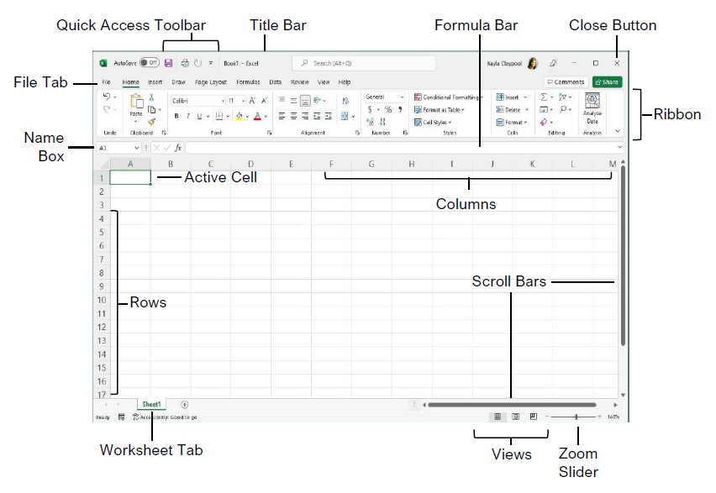

$$A=πr^{2}$$

 |  | 9:00:00

 |  | $1,200.00

 |  | 12

 | 1.20E+01

 | 120,000 | 123

 | 23.6789

Insert

Page Layout

Formulas

Pivot table
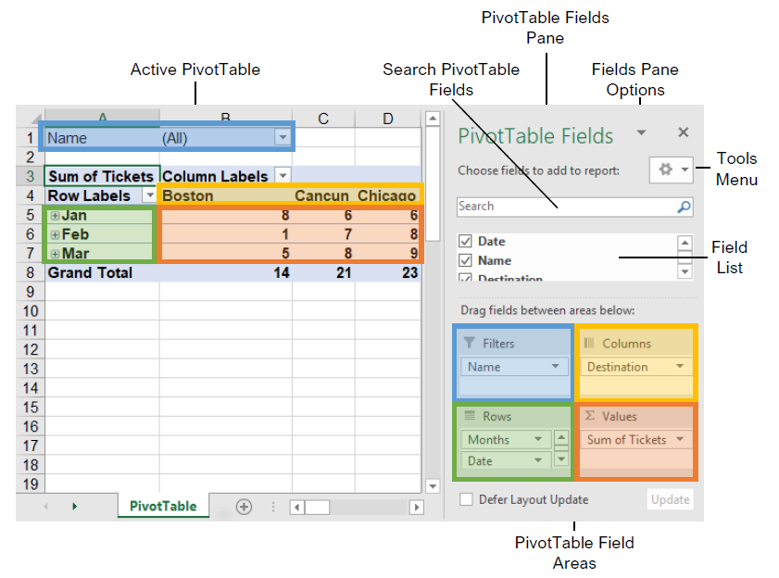
S.No | Topics
1 | Pivot Table Creation
2 | Pivot table Components(rows, columns, filter, values)
3 | Nested pivot tables
4 | Layout
5 | Editing Pivot tables
6 | Slicer
7 | Calculated Fields
8 | Pivot Charts

Visualizations
 | S.No | Topics
 | 1 | Bar Graphs
 | 2 | Stacked Bars
 | 3 | Histograms
 | 4 | Line Graphs
 | 5 | Pie Charts
 | 6 | Combo Charts

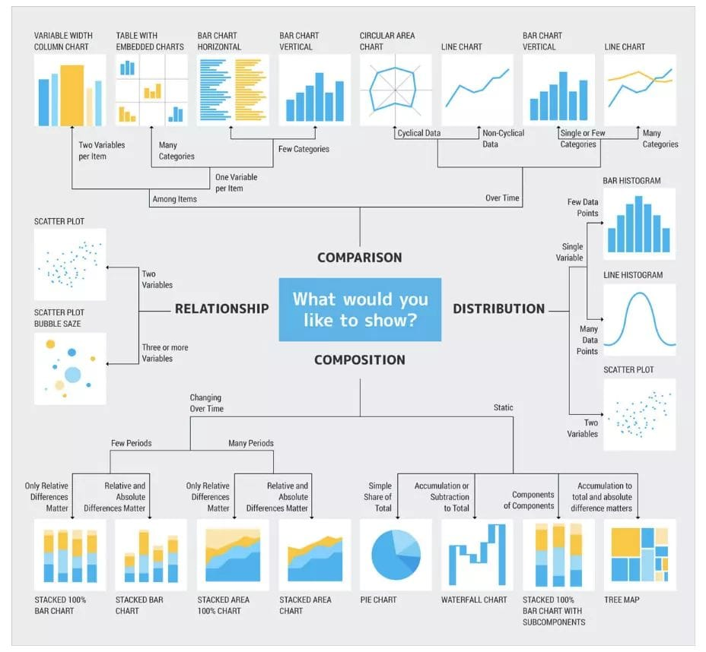

Bar And Pie Charts

 | Region | Sales
 | East | 6,324
 | West | 5,789
 | North | 1,456
 | South | 3,245

Stacked Bars

 | Store | Clothing | Equipment | Accessories
 | Cherry St. | 15674.87 | 13092.02 | 14628.59
 | Strawberry Mall | 12000.98 | 11002.45 | 13022.26
 | Peach St. | 8754.65 | 9913.71 | 11386.3
 | Apple Road | 4235.98 | 5810.46 | 6728.36

Combo Charts

 | New Model | Old Model | % Change in Lift
 | 190 | 170 | 12%
 | 170 | 159 | 7%
 | 152 | 147 | 3%
 | 139 | 134 | 4%
 | 130 | 127 | 3%
 | 123 | 120 | 2%
 | 118 | 115 | 2%
 | 112 | 111 | 1%
 | 106 | 105 | 0%
 | 100 | 100 | 0%

Line charts

 | Store | January | February | March | April | May | June | July
 | Cherry St. | 60 | 63 | 78 | 45 | 89 | 90 | 100
 | Strawberry Mall | 145 | 145 | 135 | 137 | 139 | 144 | 134
 | Peach St. | 187 | 185 | 184 | 167 | 189 | 190 | 145
 | Apple Road | 267 | 224 | 267 | 278 | 256 | 235 | 247

Histograms

 | Student Id | Marks |  | Bins
 | 1 | 50 |  | 30
 | 2 | 67 |  | 40
 | 3 | 87 |  | 50
 | 4 | 75 |  | 80
 | 5 | 80
 | 6 | 84
 | 7 | 90
 | 8 | 45
 | 9 | 77
 | 10 | 74
 | 11 | 89
 | 12 | 66
 | 13 | 50
 | 14 | 100
 | 15 | 88
 | 16 | 30
 | 17 | 78
 | 18 | 60
 | 19 | 35
 | 20 | 59

Difference between Bar charts and Histograms

 | Bar charts |  |  | Histograms
 | The bar graph is a graphical representation of data that uses bars to compare different categories of data. |  |  | The histogram is a term that refers to a graphical representation that shows data by way of bars to display the frequency of numerical data.
 | Comparison of discrete variables. |  |  | Distribution of non-discrete variables.
 | In this type of graph, elements are taken as individual entities. |  |  | In this type of graph, elements are grouped so that they are considered as ranges.
 | To compare different categories of data. |  |  | To display the frequency of occurrences.
 | Bar graph, it is common to rearrange the blocks, from highest to lowest |  |  | In Histogram, we cannot rearrange the blocks.

Shortcut keys
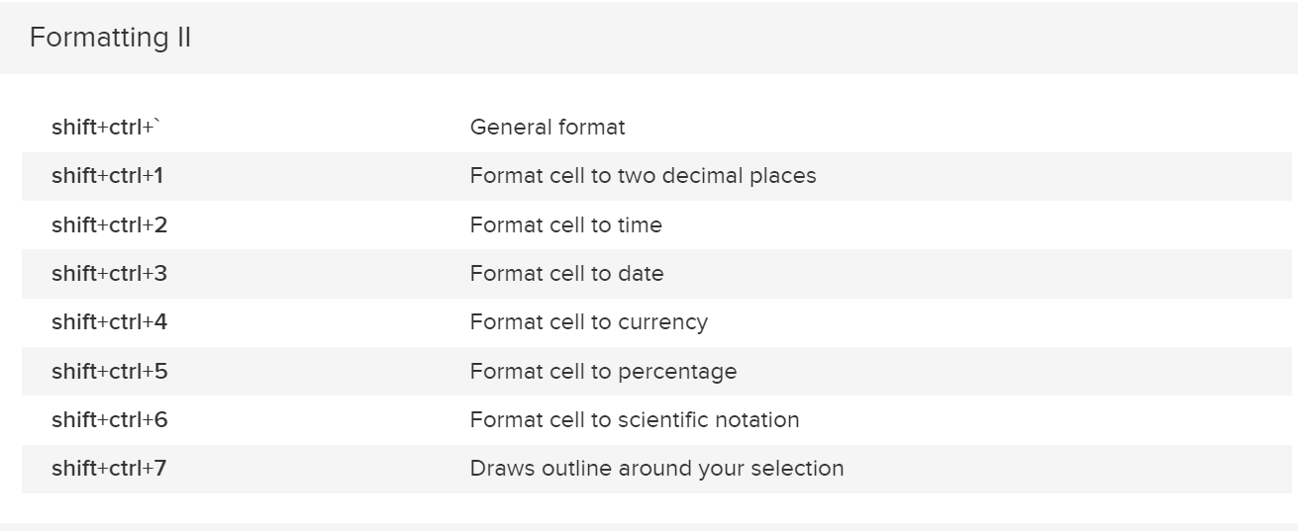

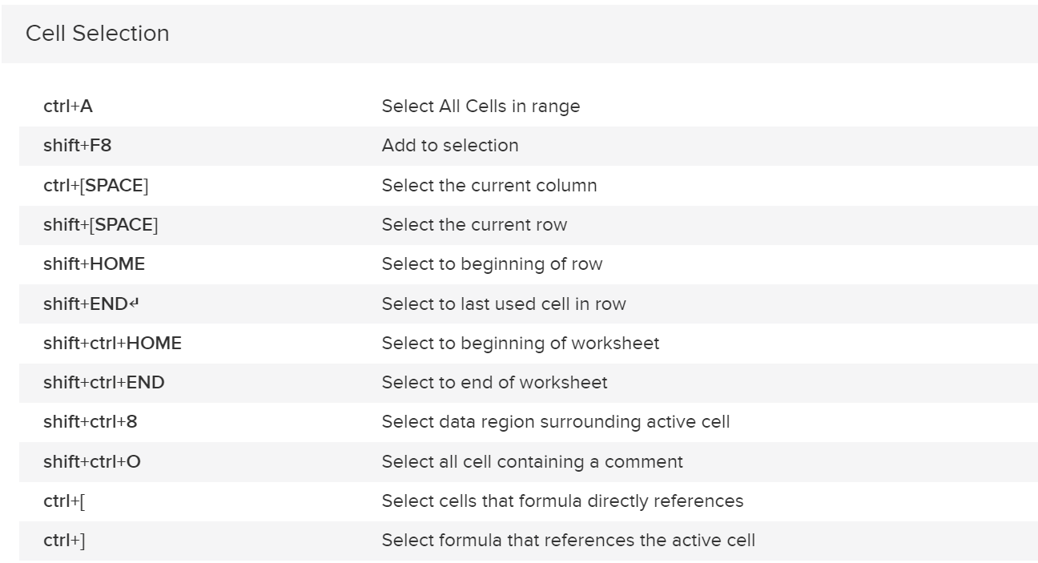

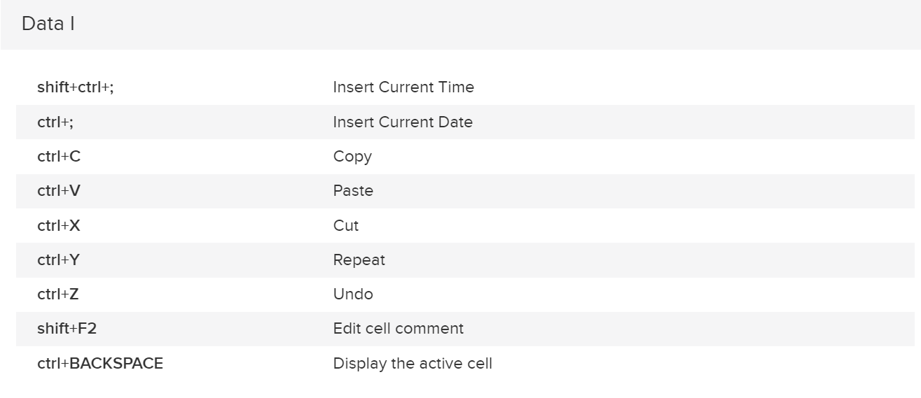

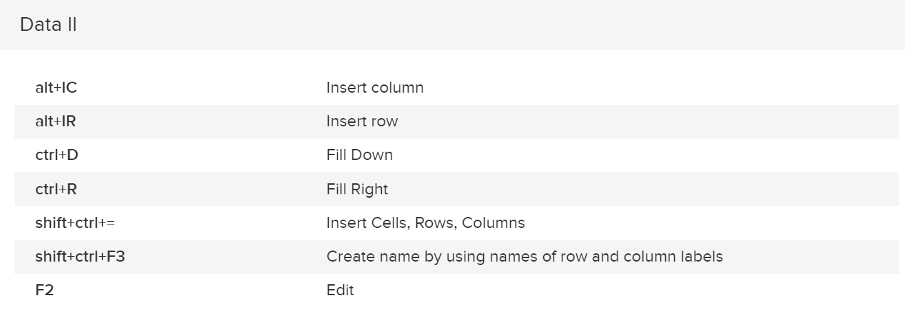

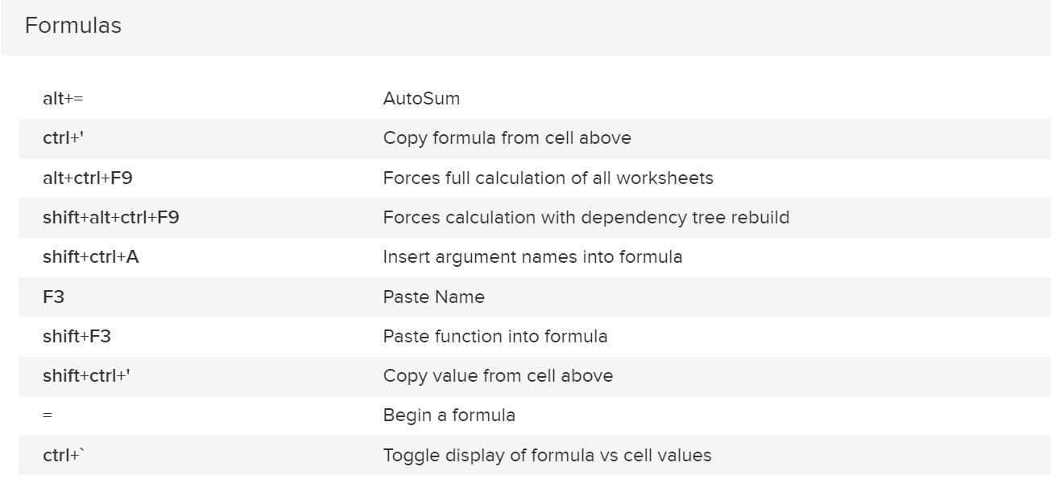

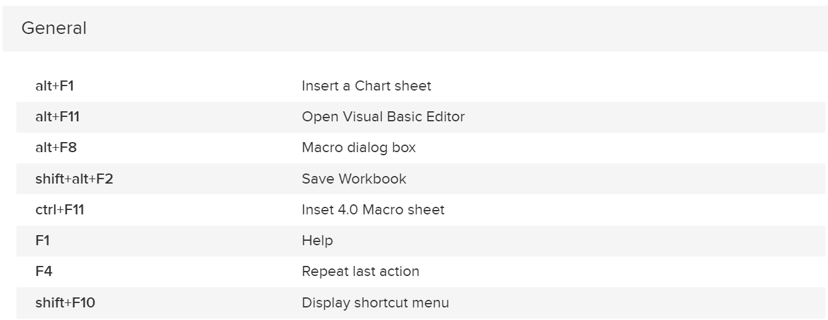

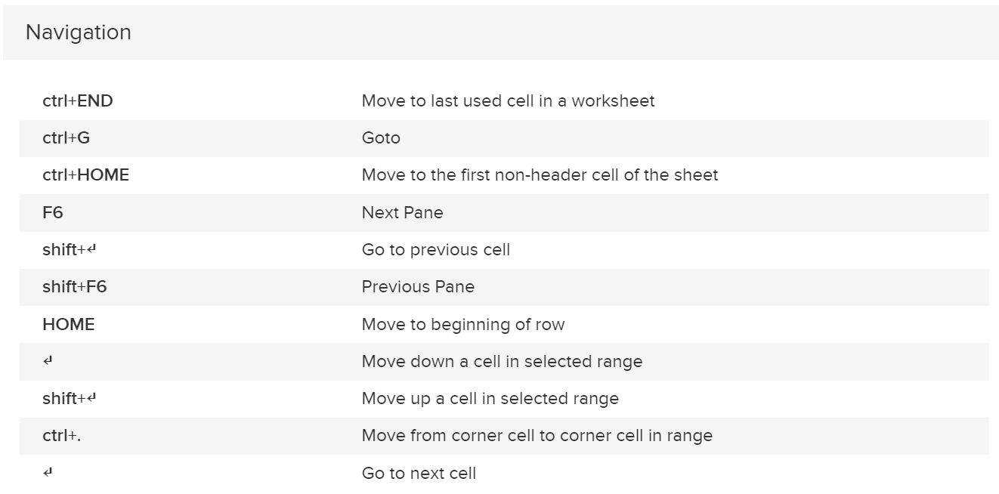

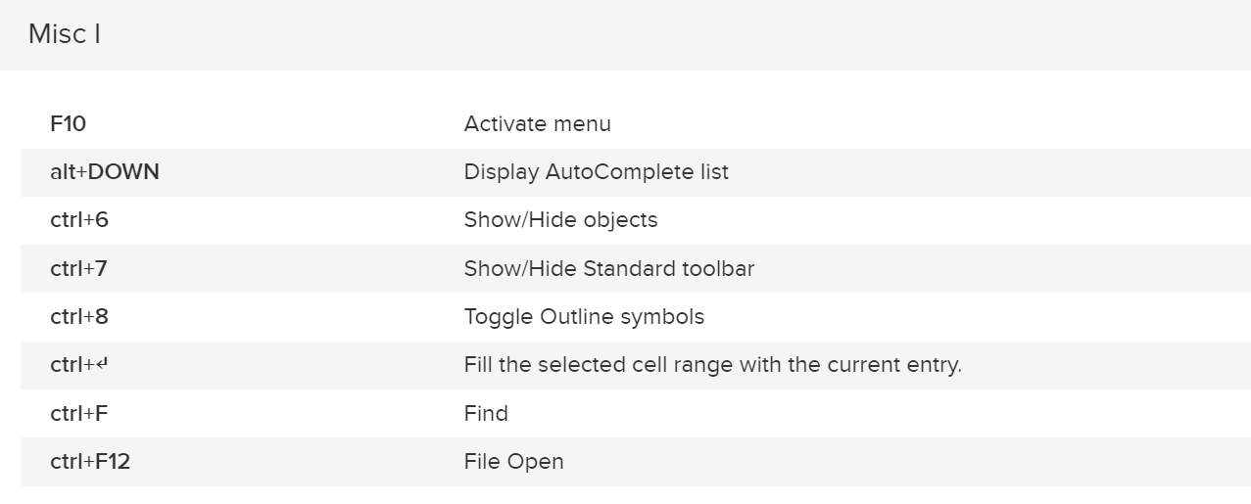

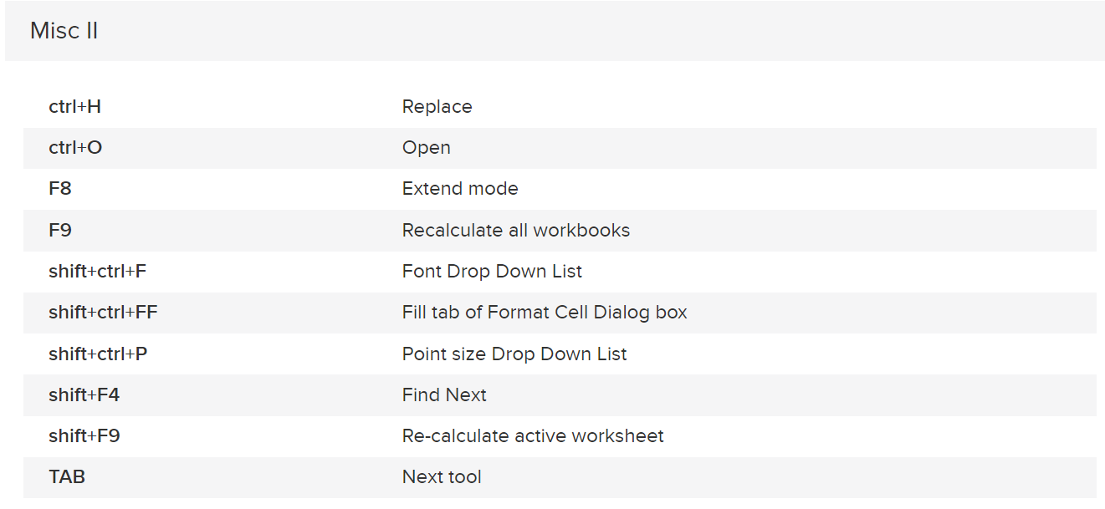

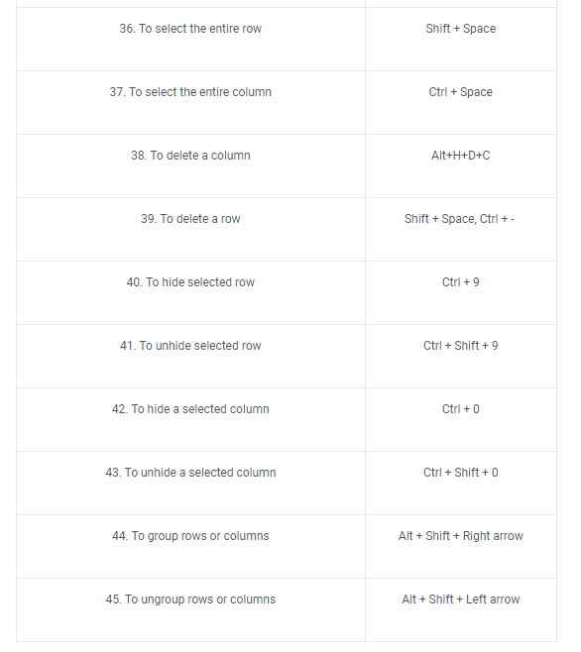

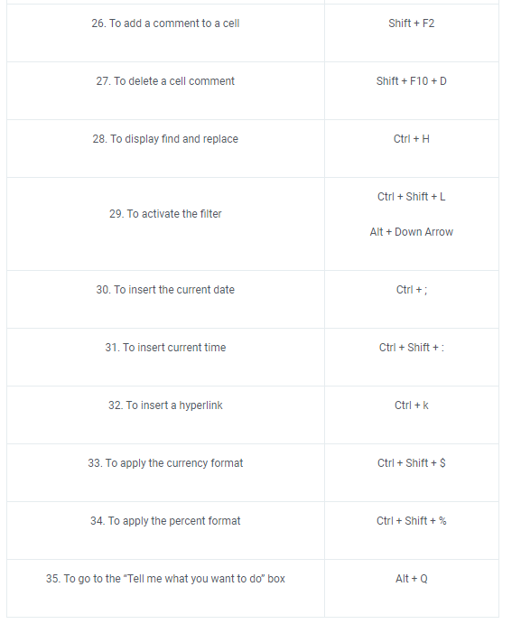

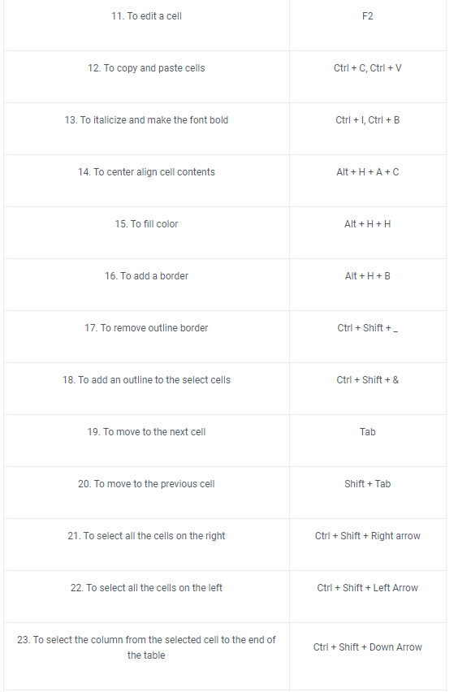

Functions
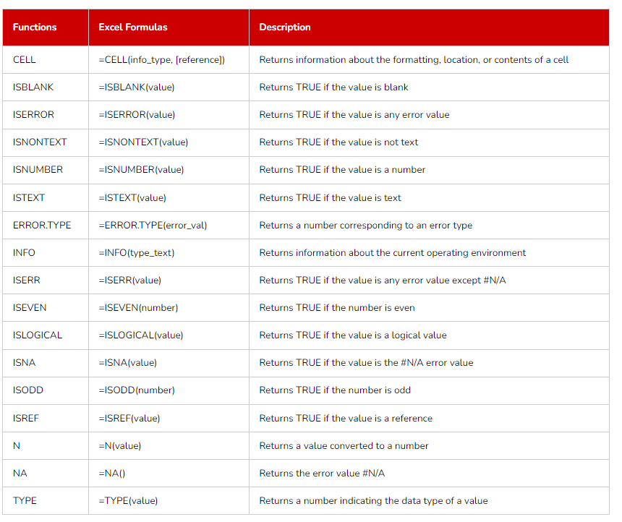

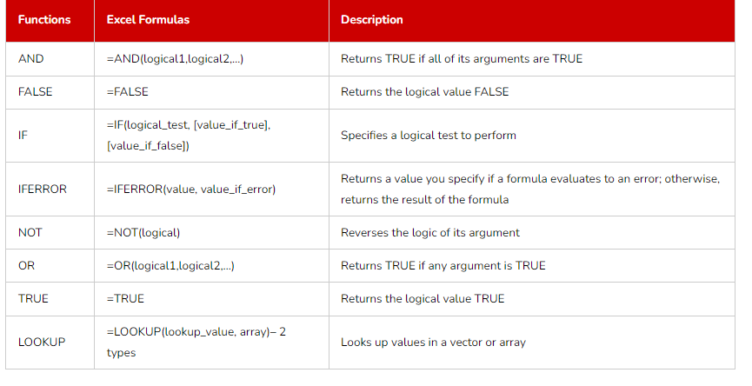

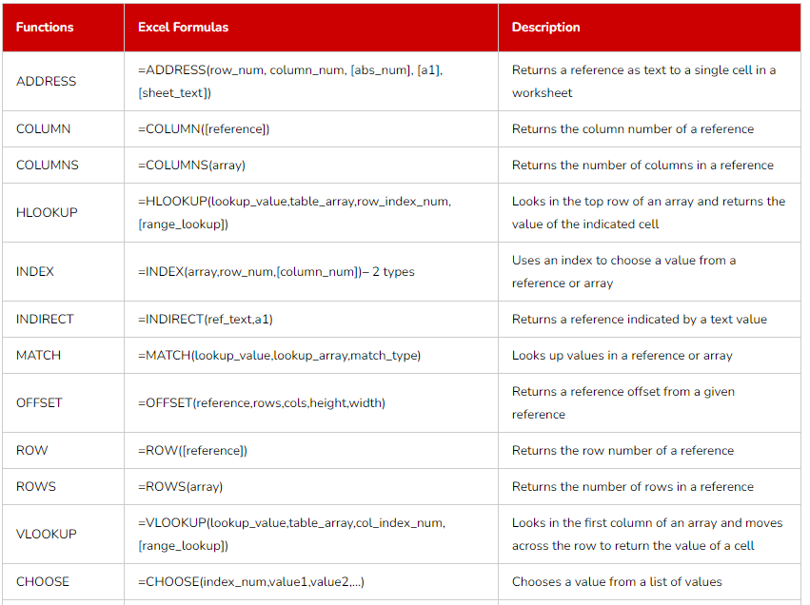

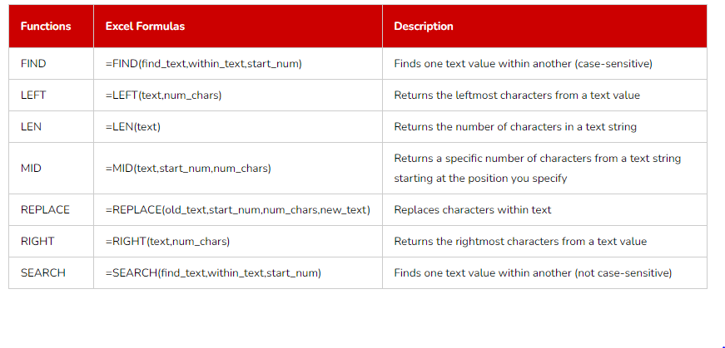

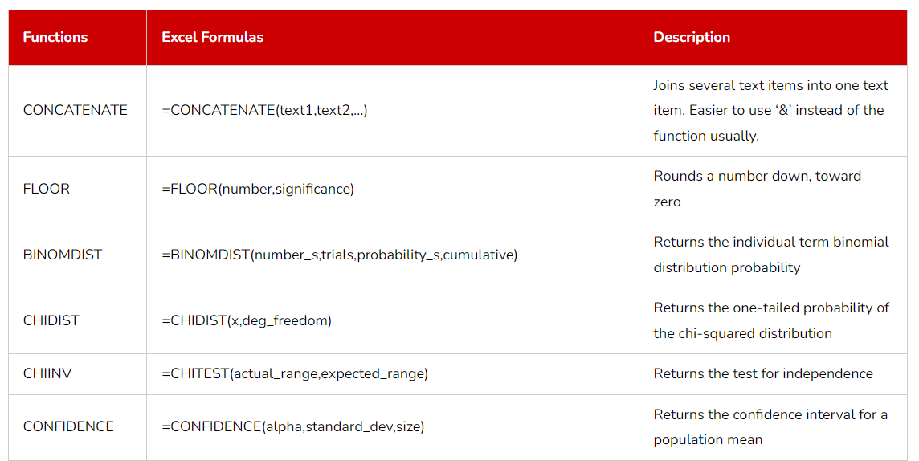

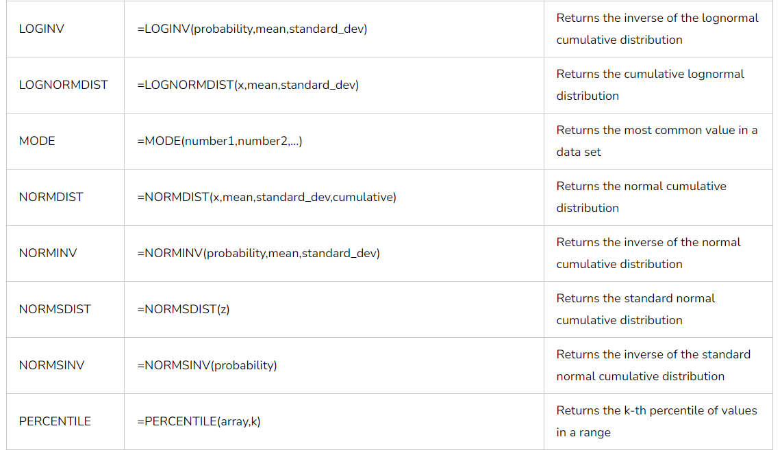

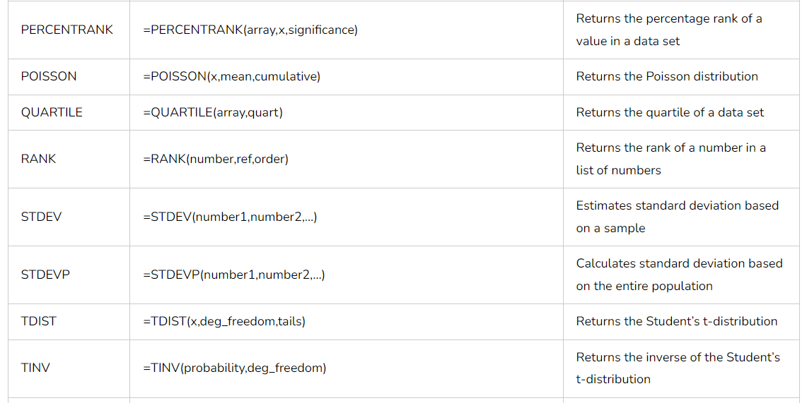

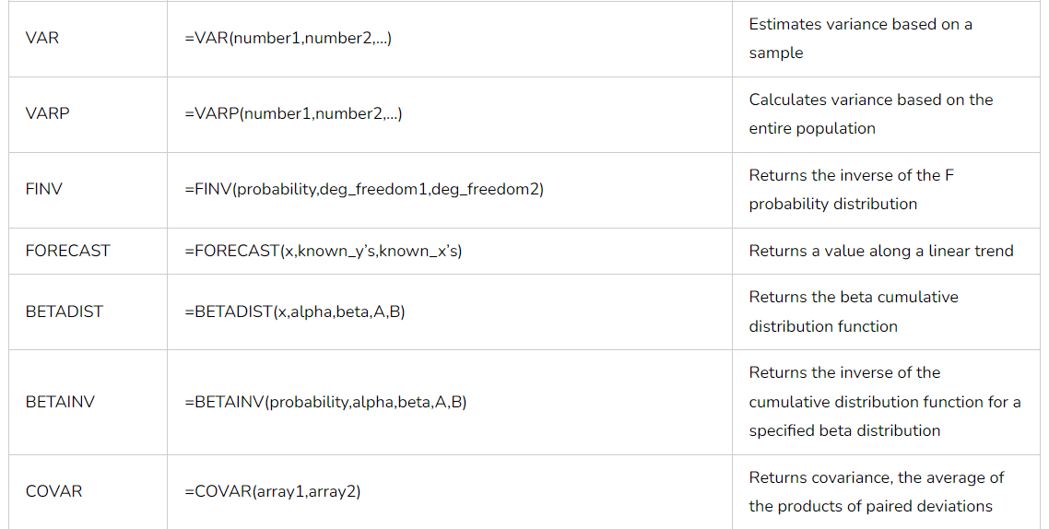

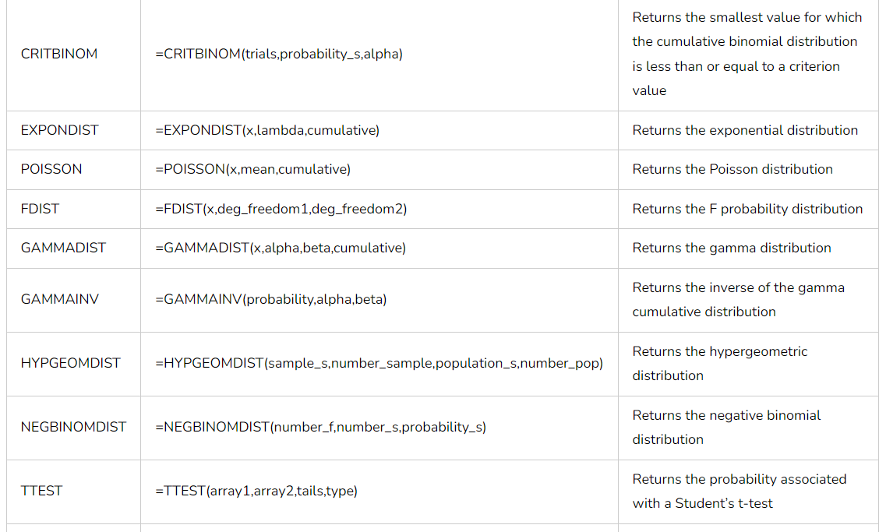

q10 answer
Sum of Quantity Ordered by days of the week

days of the week | Average of Quantity Ordered
Sunday | 1.0857142857
Monday | 1.03125
Tuesday | 1.2413793103
Wednesday | 1.0952380952
Thursday | 1.1071428571
Friday | 1.2727272727
Saturday | 1.1612903226

